1. Title Page
Instacart Data Analysis

Project Name: Instacart Data Analysis
Date: November2023
Analyst Name: Isabelle Katz

Contents: | Data Source:
Population Flow | "The Instacart Online Grocery Shopping Dataset 2017", Accessed from www.instacart.com/datasets/grocery_shopping-2017 via Kaggle on 01Nov2023
Consistency checks
Wrangling steps
Column derivations
Visualizations
Recommendations

2. Population Flow
< | Title page

Population flow

Exclusion flag
Condition: max_order <
Obervations to be removed:
Final total count of order_products_all:

Orders_products_combined
Orders_products_merged
Orders_products_all

Total: 32,404,859
Total: 32,434,489
Total: 32,404,859

1.) The grey boxes in the first row of the population flow represent the original data sets as they were when you downloaded them. In the Total fields you need to add the count of the rows when you imported the data set into Jupyter.
2.) The second row of boxes (coloured) represents the data sets after you manipulated them, e.g., removed missing values and duplicates. In the Total fields you need to add the count of the rows after conducting these operations. This offers a visual oveview of how the data flows throughout the data consistency checks.
3.) The third row, where also the arrows are coloured, represents the merges you performed between the datasets. In the Total fields you need to add the count of the rows in the merged datasets, so that you end up with the final dataset (in the red box). Keep in mind the final dataset should be without exclusions (based on the exclusion flag).

3. Consistency checks
 |  |  |  | Title page
Consistency checks

Dataset | Missing values | Missing values treatment | Duplicates
orders | 206,209 | imputed based on median | 0
products | 16 product_name | removed from df | 5
orders_products_prior | 0 | NA | 0
customers | 0 | NA | 0

4. Wrangling steps
 |  |  |  | Title page
Wrangling steps

Columns dropped | Columns renamed | Columns' type changed | Comment/Reason
eval_set |  |  | not applicable to analysis
 | order_dow : orders_day_of_week |  | clarification
 |  | order_id to str | descriptive stats not applciable
 |  | user_id | descriptive stats not applciable
 | order_hour_of_day : order_time |  | shorter
First Name |  |  | private info/ not applicable to analysis
Surnam |  |  | private info/ not applicable to analysis
order_id |  |  | not applicable to analysis
add_to_cart_order |  |  | not applicable to analysis
product_id |  |  | data includes product names
 | Gender : gender |  | rename for consistancy
 | STATE : state |  | rename for consistancy
 | Age : age |  | rename for consistancy

5. Column derivations
 |  |  |  | Title page

Column derivations and aggregations

In this tab you should add tables below that the frequences of flags/label variables that you produced after deriving them. NB: don't do this for continuous variables, only for flags.
Dataset | New column | Column/s it was derived from | Conditions
orders_products_merged | price_range | prices | price <= 5 : Low-range; price 6-15 : Mid-range; price > 15 : High Range
orders_products_merged | price_range_loc | prices | price <= 5 : Low-range product; price 6-15 : Mid-range product; price > 15 : High Range product
orders_products_merged | busy_day | orders_day_of_week | Saturday & Monday : Busiest Day; Wednesday & Tuesday: Least Busy; other : Regularly Busy
orders_products_merged | busiest_days | orders_day_of_week | Saturday : Busiest Day; Wednesday: Least Busy; other : Regularly Busy
orders_products_merged | busy_times | orders_time | 9-11: Most Orders; 2-4: Fewest Orders; others: Average Orders
orders_products_merged | max_order | user_id & order_number | max # orders by user
orders_products_merged | loyalty_flag | max_order | >40: Loyal Customer; 11-40: Regular Customer; <11: New Customer
orders_products_merged | user_spending_mean | user_id & prices | mean price by user
orders_products_merged | spending_flag | user_spending_mean | <10: Low Spender; >10: High spender
orders_products_merged | days_median | user_id & days_since_prior_order | mean days between orders by user
orders_products_merged | order_frequency_flag | days_median | >20: Non-frequent Customer; 11-20: Regular Customer; <21 Frequent Customer
small_subset | Region | state | West, South, Midwest, Northeast
small_subset | activity_exclusion_flag | max_order | <5 : Low Activity - excluded from analysis
small_high_spenders | age_category | age | 18-32; 33-48; 49-65; 65+
small_high_spenders | Income_Category | income | 2500-6700: low income; 6700-9700: low mid income; 97000-12000: high mid income; >120000: high income
small_high_spenders | fam_category | n_dependants & fam_status | Married No Kids, Married One Kid; Married Mult Kids; Single No Kids; Single One Kid; Single Mult Kids; Formerly Married No Kids; Formerly Married One Kid; Formerly Married Mult Kids; Dependant; Three Gen Household
small_high_spenders | Department_Profile | department | Consumes Alcohol; Has Baby; Eats Meat; Buys Bulk; Has Pet

6. Visualizations
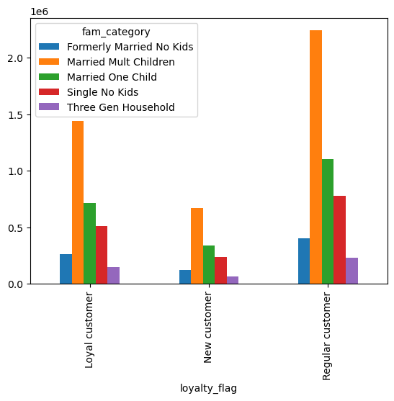
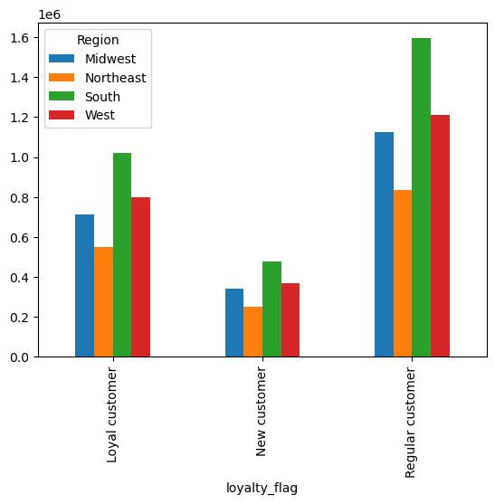
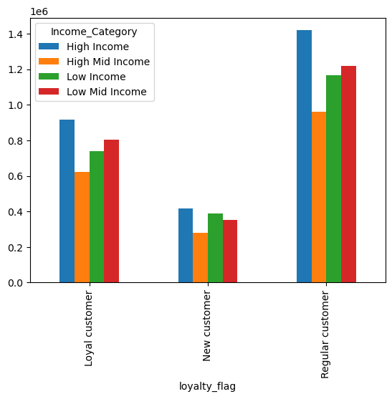
 |  |  | Title page

Visualisations

In this tab you should include all the visualtions from Exercises 4.9 and 4.10, alongside the questions from the project brief that they answer. Include any commentary on the relationship between different variables.

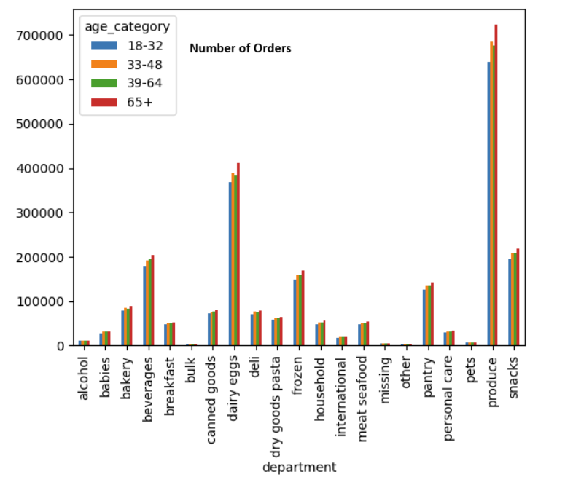
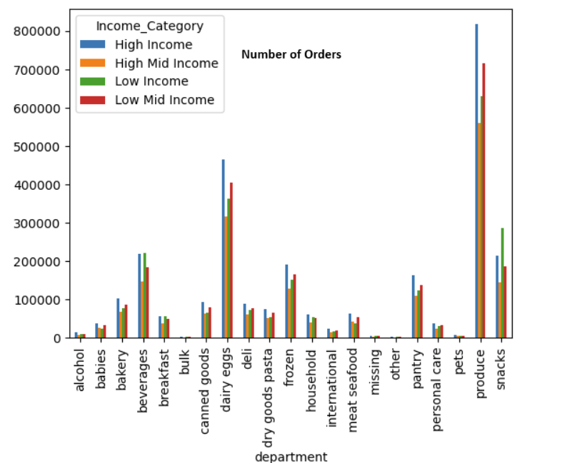
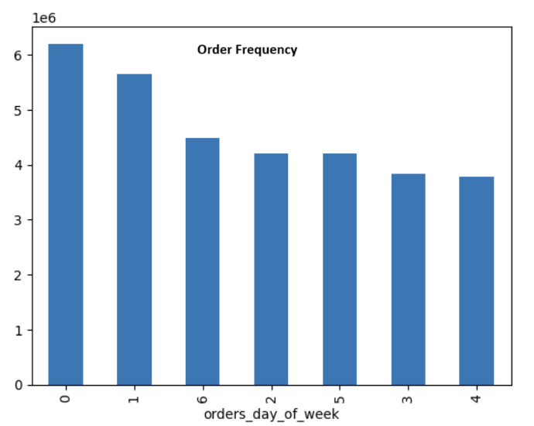
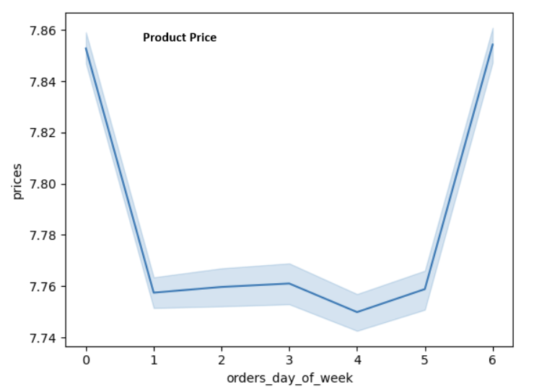
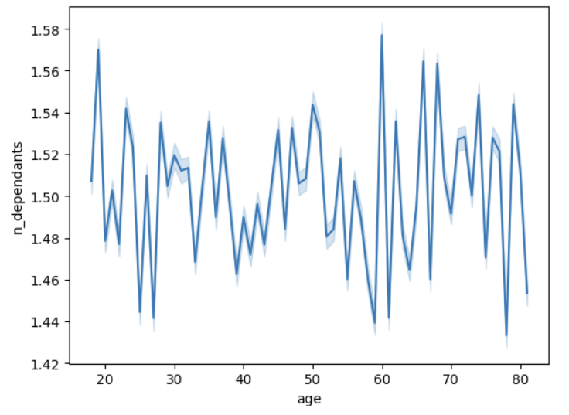
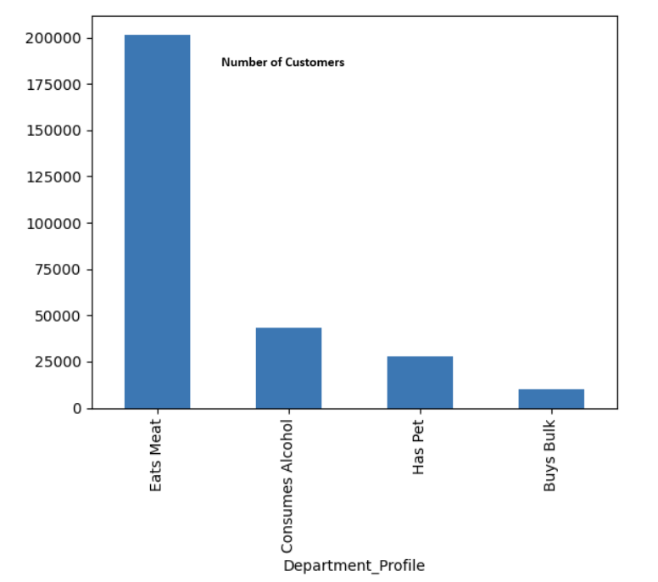

 |  |  |  | There is no correlation between customer age and number of dependants.
The busiest days of the week are on the weekend - Saturday and Sunday. | More expensive products are puchased on Friday and Saturday.

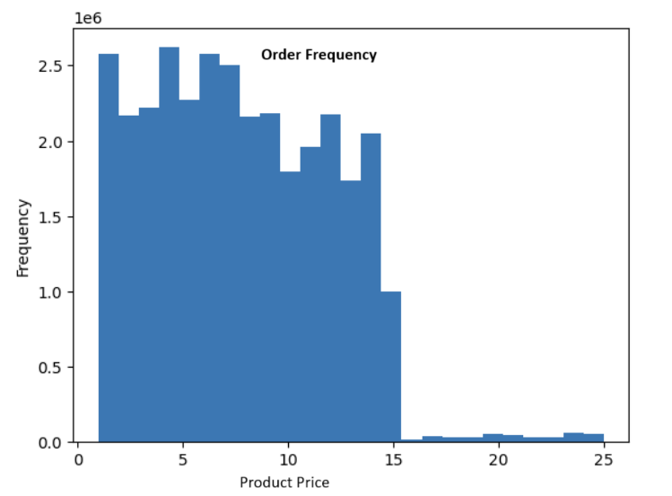
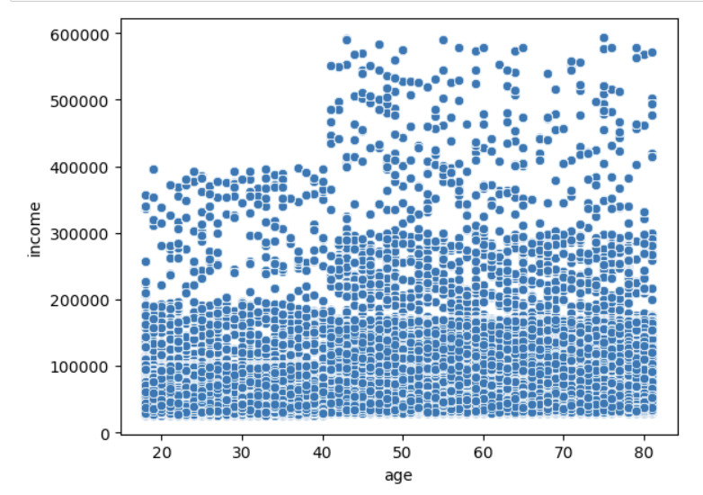
 |  |  |  |  |  |  |  |  |  |  | Product is largest category for all age groups, followed by dairy/eggs and then beverages and snacks. | High income makes most purchases in all departments exept for beverages and snacks, where low income makes the most purchases.

 |  |  |  |  |  |  | Many customers buy meat products for their households Fewer buy alcohol or have pets. Very few buuy in bulk.

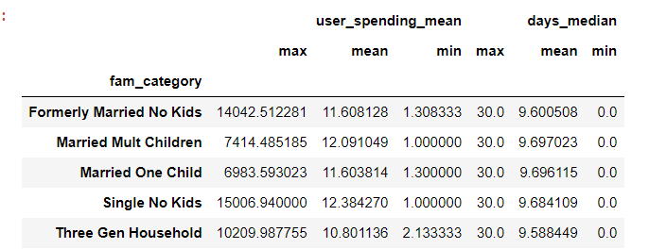
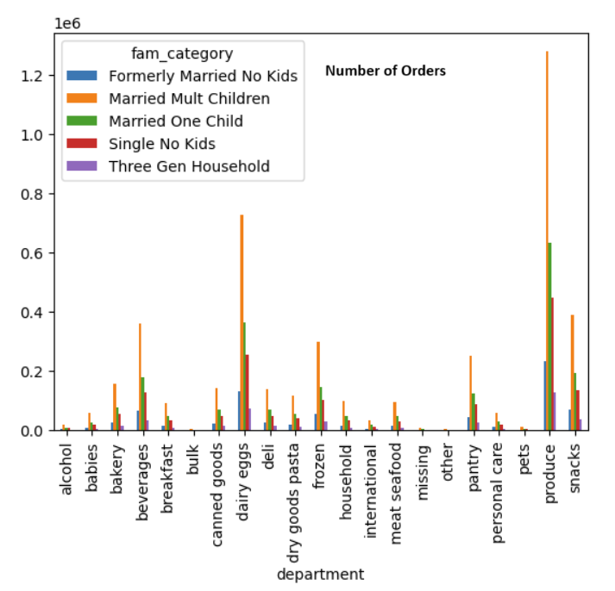
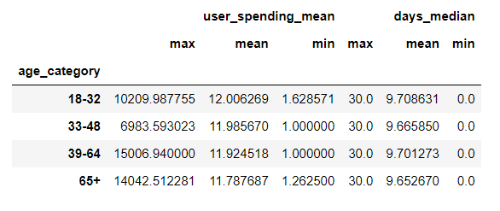

 |  |  |  |  |  | All ages on average spend the same amount of money at the same frequency. Older customers, >39 sometimes make higher purchases.
 |  |  |  |  |  |  |  |  |  | All families purchase at the same frequency and spend around the same amount. Houses without kids make the largest single purchases

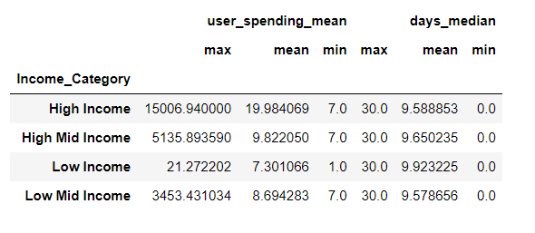

Products under $15 are purchased much more frequently then higher priced items. Products under $10 are purchased the most. |  |  | Most customers, regardless of age, made less then $20,000. Above age 40 more customers made $20,000-$30,000, and some make over $40,000.

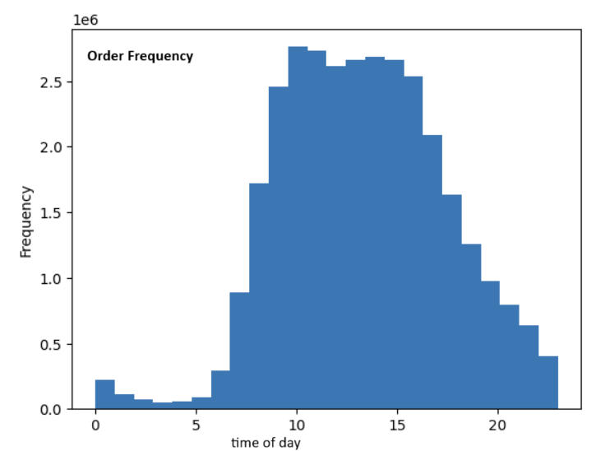
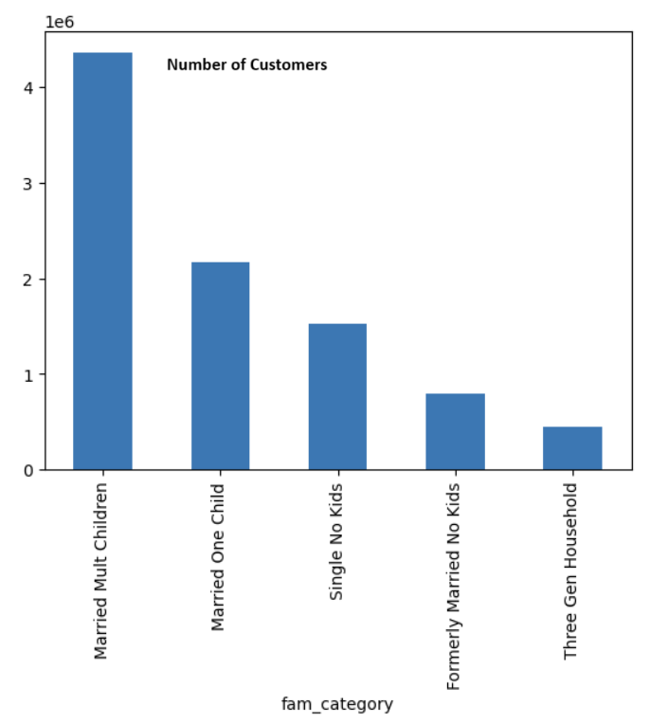
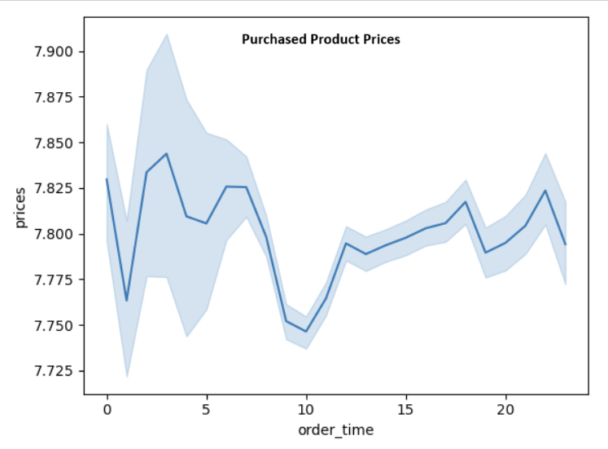

 |  |  |  |  |  |  |  | As expected high income earners spend more, though not necessarily more frequently
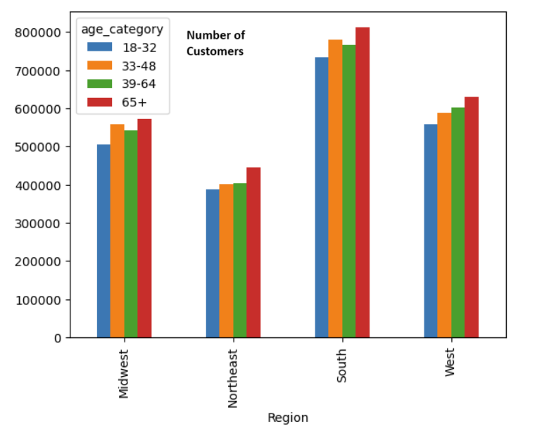

 |  |  |  |  |  |  |  |  |  |  |  | Married with children make most purchases in all departments.

The most purchases are made between 10 am and 3pm. Very few purchases are made from 10pm to 6 am.
 |  | There is no correlation between time of order and price of products purchased.
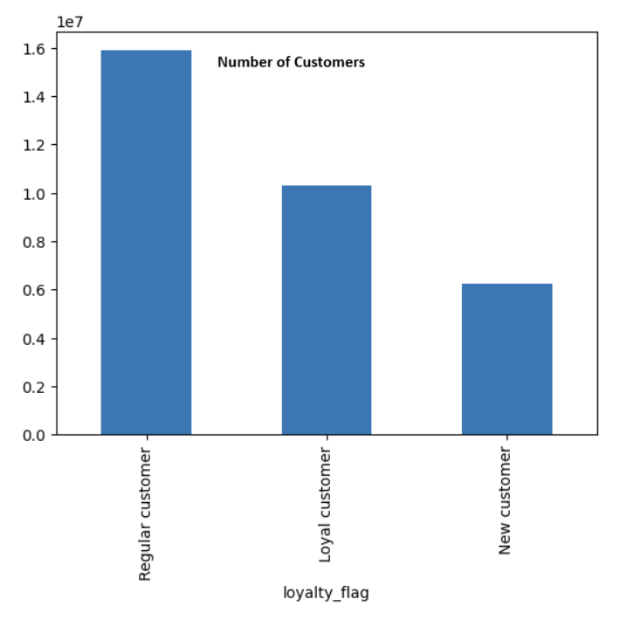
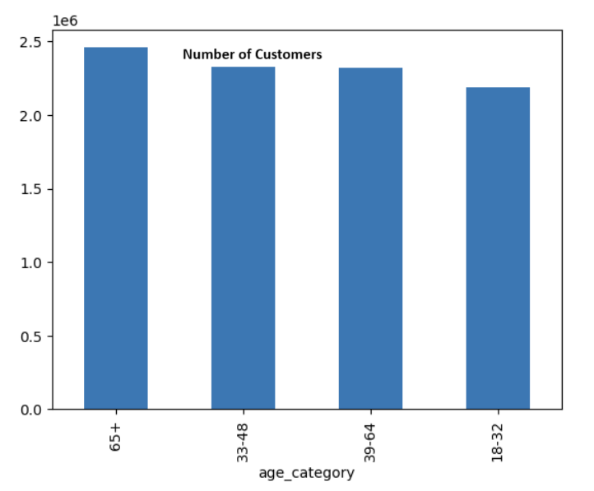

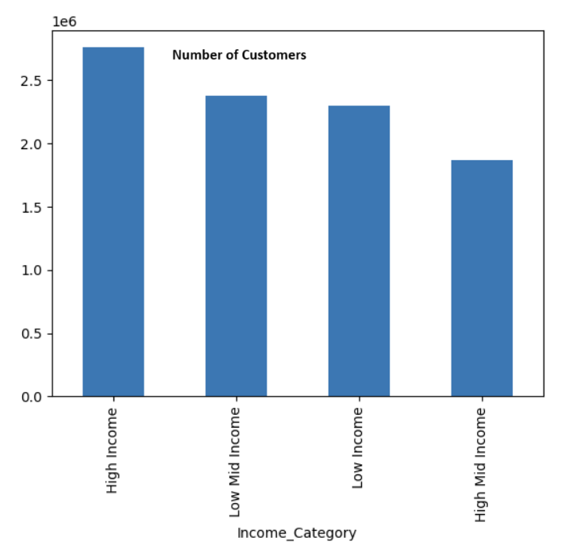
 |  |  |  |  | Most customers are married with 2 or 3 children. There are no single or formerly married customers with children, and no married customers without children.
 |  |  |  |  |  |  |  |  | The most customers live in the south for all age groups, and least in the north east. More customers are older in all regions as well.

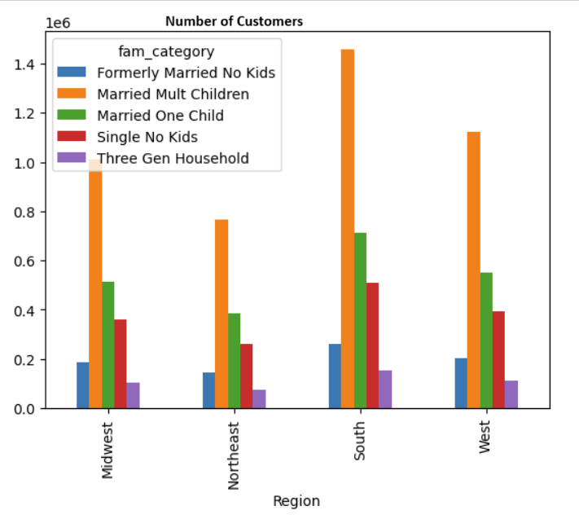

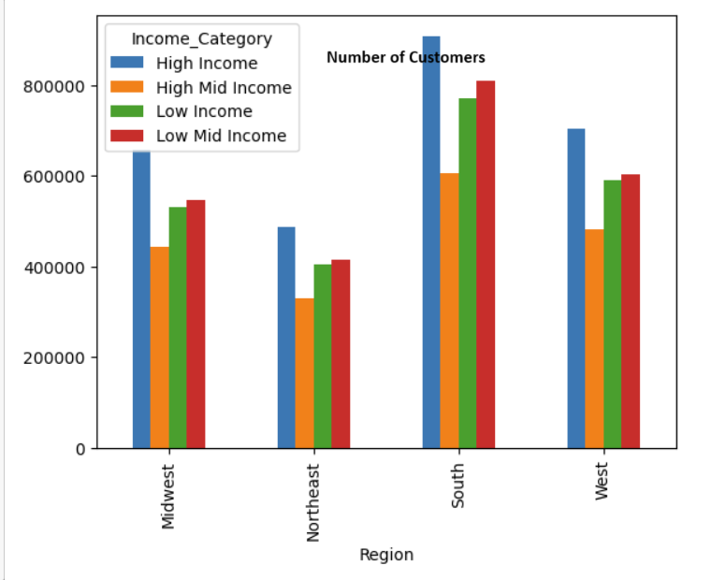

 |  | Customers are split evenly into age categories 18-32, 33-48, 39-64, and 65+

Most customers are "Regular" ( have made 11-40 purchases). There are the least amount of "New" customers (less then 11 purchases).

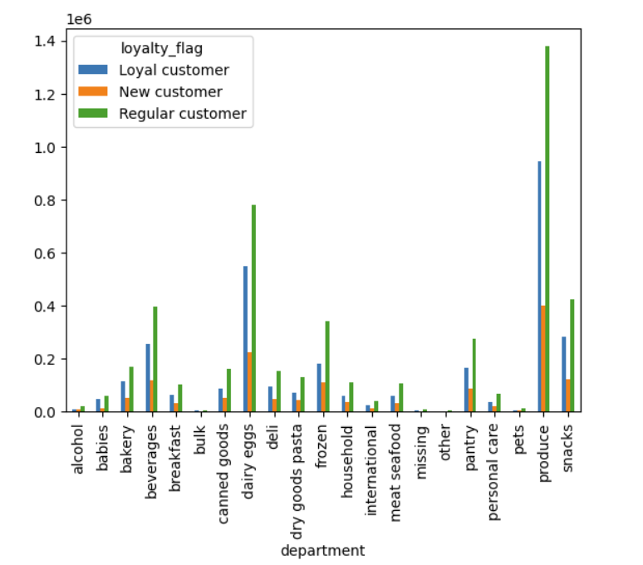
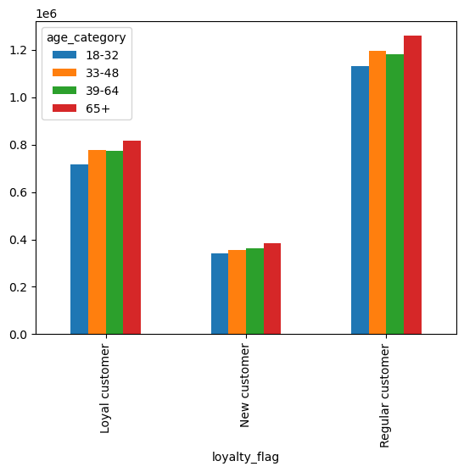

 |  |  |  |  |  |  |  |  |  |  | Most customers are married with mult children. Highest concentration of customers in the South.

 |  |  |  |  | Most customers have low or mid low income (<$97,000) |  | High income customers are most prevelant in all regions. The south has the most customers in all income groups.

7. Recommendations
 |  |  | Title page

Recommendations

In this tab you should include any recommendations you would made to Instcart in terms of their marketing strategy based on the questions posed in the brief. Every key question has been covered in the Tasks of the Exercises - here you need to add an item - a visualisation or table/crosstable that is showing the answer in the data, acompanied by a comment from you. Please, list the questions below and add the answer underneath.

Question | Answer
Days and times with most purchases: |  | Saturday and Sunday, 10am-3pm. Increase ad presence during week day work hours
Days and times with highest price purchases: |  | Friday and Saturday, no correlation with time. Increase ads for higher priced products on Sunday, when there are a lot of purchases.
Price tag groupings: |  | Price ranges established: <$5, 5-15, >$15
Departments with most orders: |  | Produce highest seller for all customers, followed by dairy/eggs, then snacks and beverages. Sales or discounts on produce and dairy/eggs could make them more accessible to low income customers, who buy the most snacks and beverages.

Customer distribution and ordering habits: |  | Demographically, the most common customer is over 65, married with multiple children, living in the south, with high income.
 |  | Least common customers are young, high mid income, living in three generation households in the north east.
 |  | Most customers order mid-range priced items on a regular basis from the produce department.
 |  | Customer demographics (age, income, family structure) trend similarlarly across regions.
 |  | Ordering habits (loyalty status, item prices, department) trend similarly across demographics,

Recommendations: |  | The 39-64 age group and mid-high income customers spend less less frequenlty then would be expected, making them a good target for advertisement and retention stratedgies.
 |  | Target regular and new customers with subscription options to increase order frequencies. Reward and encourage loyal and regular customers to maintain/increase ordering.
 |  | Target northeast region with general ads to increase customers.
 |  | Advertise high price items to older customers, sales and discounts for younger
 |  | Target lower and mid income with sales and discounts.
 |  | Advertise bulk sales to appeal to families.

